Sheet1
Module | Course Name | Starting Date | Ending Date | Status | Screenshot

 | Java fundamentals | 2022-10-15 | 2022-10-17 | Completed

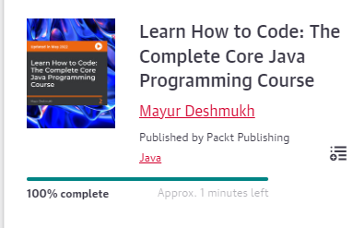

 | Learn How to Code: The
 | Complete Core Java | 2022-10-18 | 2022-10-19 | Completed
 | Programming Course

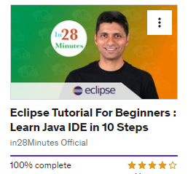

 | Eclipse Tutorial For
 | Beginners : Learn Java | 2022-10-20 | 2022-10-21 | Completed
 | IDE in 10 Steps

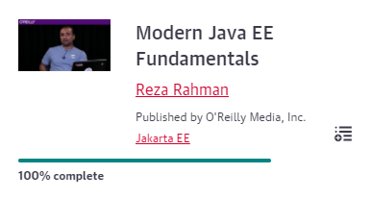

 | Modern Java EE | 2022-10-22 | 2022-10-22
 | Fundamentals

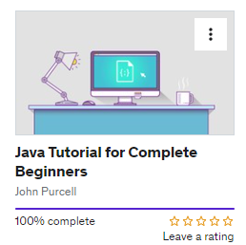
Core Java

 | Java Tutorial for | 2022-10-23 | 2022-10-23
 | Complete Beginners

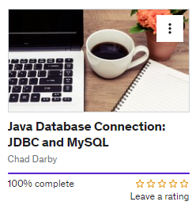

 | Java Database
 | Connection: JDBC and | 2022-10-24 | 2022-10-24
 | MySQL

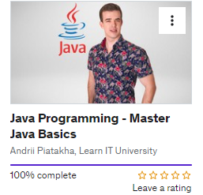

 | Java Programming - | 2022-10-24 | 2022-10-24
 | Master Java Basics

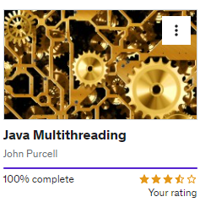

 | Java Multithreading | 2022-10-24 | 2022-10-26

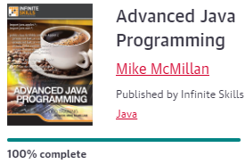

 | Advanced Java Programming | 2020-10-27 | 2022-10-31

 | Springboot

Advanced Java

